Instructions
TARGET antibiotics Audit tools: Uncomplicated UTI for women UNDER 65
 | Audits aim to provide a snapshot of prescribing at a particular point in time. Conducting audits and action planning together enables a practice to understand current antibiotic prescribing patterns, discuss within the team and make improvements, if necessary. Use this audit template to evaluate antibiotic prescribing against current local and/or national guidelines. The tool will allow prescribers to compare their prescribing decisions with local guidance and will support identification of areas for quality improvement.

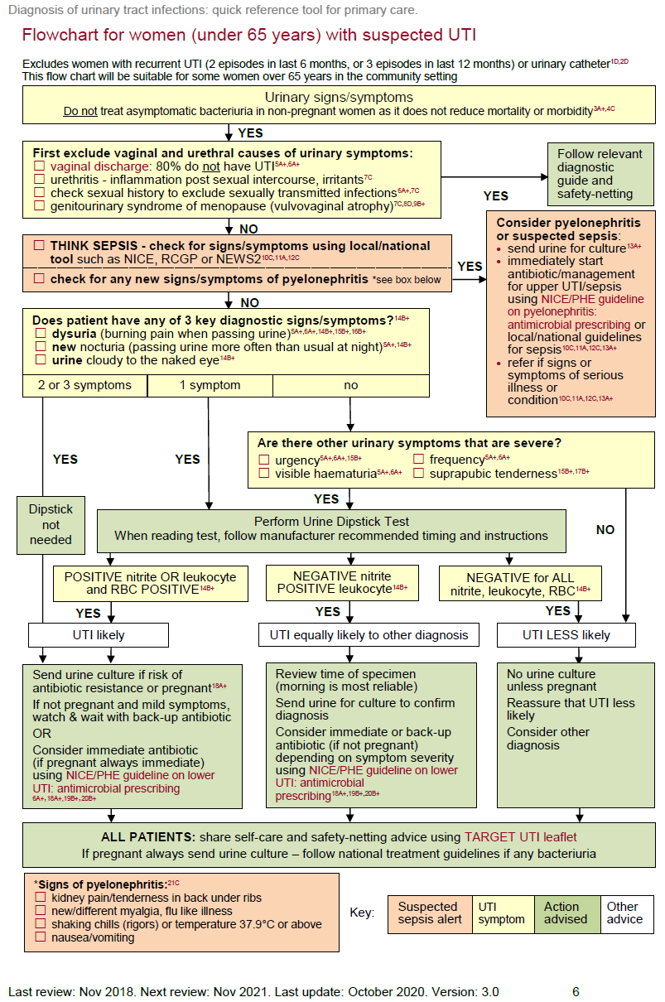

 | AIM
 | To evaluate the diagnosis and management of uncomplicated urinary tract infections (UTI) in women under 65 years. Audit criteria are based on Public Health England (PHE) and NICE guidance and tools.
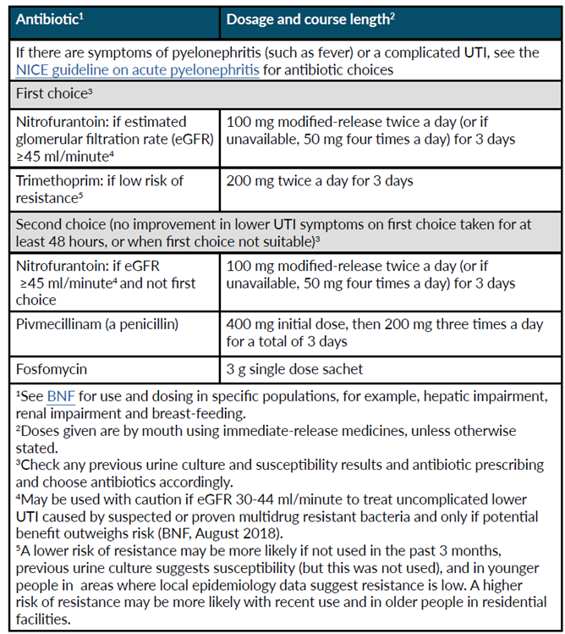
 | HOW TO USE THIS AUDIT Step 1: Familiarise yourself with the diagnostic and management guidance by reviewing: Diagnostic guidance figure 1: Flow chart for women (under 65 years) with suspected UTI [ PHE Quick reference tool for primary care] to reflect on your practice’s or your individual compliance with the recommended algorithm. You can visit the website for more information and rationale: https://assets.publishing.service.gov.uk/government/uploads /system/uploads/attachment_data/file/829721/Diagnosis_of_urinary_tract_infections_ UTI_diagnostic_flowchart.pdf NICE/PHE UTI (lower): antimicrobial prescribing guideline Table 1: Covering choice of antibiotic in non-pregnant women aged 16 years and over. The table will help you determine if each patient in your audit has been prescribed the recommended antibiotics, including dose, frequency and duration. You can visit the website for more information and the rationale: https://www.nice.org.uk/guidance/ng109 If there are symptoms of pyelonephritis or the person has a complicated UTI (associated with a structural or functional abnormality, or underlying disease, which increases the risk of a more serious outcome or treatment failure), see the recommendations on choice of antibiotic in the NICE antimicrobial prescribing guideline on acute pyelonephritis. You may wish to use your local primary care organisation’s guidance as an alternative. Please view the TARGET treating Your Infection UTI (TYI-UTI) leaflet for self-care safety netting and other patient advice to share during the consultation. COVID-19: Be aware that from March 2020 onwards, practice will have considerably increased numbers of remote consultation to limit patient and healthcare worker exposure to COVID-19. It is assumed that COVID-19 will have been excluded as a likely cause for high temperature.

 | How to complete this audit
 | Use a new workbook for each audit period. Note: A paper based audit can be downloaded from the TARGET website to allow consultation details to be recorded by hand if preferred.
 | Step 2: Search for 10-30 consultations relating to suspected UTI in adult women (under 65 years). Exclude people who are pregnant, have catheters, a structural urological abnormality or recurrent UTI (2 UTIs in the last 6 months or 3 episodes in the last year). (use a minimum of 10 consultations, plus 1 consultation for every 1k patients if practice size is above 10k; maximum 30 consultations e.g. 15k list size = 15 consultations). The Read codes below are a sample of codes that can be used but consider adding codes that you or your colleagues are likely to use when assessing patients with suspected UTIs. Searching for just a few codes that you usually use may identify all the consultations you require for the audit. Additionally, if you know that coding is inconsistent, you may wish to search for patients who have been prescribed a UTI antibiotic that includes trimethoprim, nitrofurantoin, pivmecillinam, fosfomycin, in the previous 1 month (Extend the time period if necessary). You may need to add ciprofloxacin, cefalexin and co-amoxiclav if these are used for UTI in your practice.
 |  |  |  | K15 | Cystitis
 |  |  |  | K190 | Urinary tract Infection
 |  |  |  | 1J4 | Suspected UTI
 |  |  |  | K190z | UTI, site not specified NOS
 | Step 3: Input your findings in data collection table found in the Input data tab. Where a patient had a consultation more than once in the audit period, a separate row should be completed for each consultation.

 | a. Select the number of patients being audited from the drop down menu in cell C3
 | b. You need only enter results in the grey cells. Provided you have entered your findings accurately, using ONLY the numbers 1 and 0 where yes=1, no=0, the spreadsheet will automatically calculate your results.

 | Step 4: How did you do? A summary of your audit and compliance with NICE / PHE tools is automatically provided at the bottom of the data collection table.

 | Data Entry Instructions
 | Enter consultation data in the |  | Input data | worksheet using the numerical values of either 1 or 0 where 1=yes and 0=no.
 | Complete/select data according to the options below:
 | Audit details | 1 | Number of consultations |  |  | Type in cell C3 the number of consultations in the audit. This cell is used in further calculations
 |  | 2 | Audit date range |  |  | Note the date or period when you completed the audit
 | Evidence of diagnostic decision | A | Optional - add clinician initials or role
 |  | B | Vaginal/urethral cause excluded |  |  | 1=yes and 0=no.
 |  | C | Sepsis considered |  |  | 1=yes and 0=no.
 |  | D | Pyelonephritis considered |  |  | 1=yes and 0=no.
 |  | E | Sepsis or pyelonephritis present |  |  | 1=yes and 0=no.
 |  | F | Lower UTI diagnosis in line with National guidance |  |  | 1=yes and 0=no.
 |  | G | Culture sent |  |  | 1=yes and 0=no.
 | Management decision / Treatment | H | No antibiotic given |  |  | 1=yes and 0=no.
 |  | I | Back-up/delayed antibiotic given |  |  | 1=yes and 0=no.
 |  | J | Immediate antibiotic given |  |  | 1=yes and 0=no.
 |  | K | Patients given treatment according to guideline |  |  | 1=yes and 0=no.
 |  | L | Those patients where an antibiotic was given but an MSU was negative |  |  | 1=yes and 0=no.
 | Giving Advice | M | Self-care advice given about managing symptoms including fever |  |  | 1=yes and 0=no.
 |  | N | safety netting advice given about when to re-consult |  |  | 1=yes and 0=no.
 |  | O | Shared the TARGET TYI- UTI leaflet |  |  | 1=yes and 0=no.
 |  |  | Compliance with guidance to give advice? |  |  | This cell will autocalculate. A positive result will appear if you responded yes to rows L-O OR responded yes to sharing the TARGET leaflet as the leaflet conatins all of the advice in rows L-O.
 | If antibiotics were prescribed | P | Antibiotic choice correct |  |  | 1=yes and 0=no.
 |  | Q | Dose/frequency correct |  |  | 1=yes and 0=no.
 |  | R | Course length correct |  |  | 1=yes and 0=no.
 | Reports | A summary report is automatically generated in the tab: |  |  |  | Audit summary | Version: 1 Published: July 2021 Review Date: July 2023

